1. Title Page
Basket Analysis

Project Name: Basket Analysis
Date: 2/15/24
Analyst Name: Alejandro Cisneros

Contents:
Population Flow
Consistency checks
Wrangling steps
Column derivations
Visualizations
Recommendations

2. Population Flow
Title page

Population flow

Exclusion flag
Condition: max_order <
Obervations to be removed:
Final total count of order_products_all:
Exclusion flag
Condition: max_order <
Obervations to be removed:
Final total count of order_products_all:

Orders_products_combined
Orders_products_merged
final_instacart

Total: 32,404,859
Total: 32,434,449
Total: 30,629,741
Exclusion flag
Condition: max_order <
Obervations to be removed:
Final total count of order_products_all:
Exclusion flag
Condition: max_order <
Obervations to be removed:
Final total count of order_products_all:
1.) The grey boxes in the first row of the population flow represent the original data sets as they were when you downloaded them. In the Total fields you need to add the count of the rows when you imported the data set into Jupyter.
2.) The second row of boxes (coloured) represents the data sets after you manipulated them, e.g., removed missing values and duplicates. In the Total fields you need to add the count of the rows after conducting these operations. This offers a visual oveview of how the data flows throughout the data consistency checks.
3.) The third row, where also the arrows are coloured, represents the merges you performed between the datasets. In the Total fields you need to add the count of the rows in the merged datasets, so that you end up with the final dataset (in the red box). Keep in mind the final dataset should be without exclusions (based on the exclusion flag).

Exclusion flag
Condition: max_order <
Obervations to be removed:
Final total count of order_products_all:
Exclusion flag
Condition: max_order <
Obervations to be removed:
Final total count of order_products_all:

3. Consistency checks
 |  |  |  | Title page
Consistency checks

Dataset | Missing values | Missing values treatment | Duplicates
orders | days_since_prior_order' has 206209 null values (NaN) | Given that the amount of missing values was identical to the initial amount of customers, we had a suspicion that the missing values were due to the first order not having a value to assign to the days_since_prior_order column. As there were other values which could be used in order to identify the customer who partook in any one order. | N/A
products | product_name' has 16 null values (NaN) | Given the lack of name, we decided to eliminate all 16 null values.
orders_products_prior | N/A | N/A | N/A
customers | first_name' has 11259 null values (NaN) | Given that the amount of missing values was identical to the initial amount of customers, we had a suspicion that the missing values were due to the first order not having a value to assign to the days_since_prior_order column. Given that it was vital for the customer dataframe, we decided to eliminate all rows with a null 'first_name' value | N/A

4. Wrangling steps
 |  |  |  |  | Title page
Wrangling steps

Dataframe | Columns dropped | Columns renamed | Columns' type changed | Comment/Reason
df_ords | eval_set | orders_dow | user_id & order_id | 1. Dropped eval_set as it was not relevant 2. orders_dow was renamed to orders_day_of_week to avoid confusion. 3. user_id and order_id columns had data type changes (from int to str)
df_prods | n/a | n/a | products_name | 1. products_name was changed to a string datatype to inspect for and prevent any mixed data type columns.
df_customers | first_name & Surnam | STATE | n/a | 1. STATE was renamed to State to eliminate the all caps for consistency. 2. First name and Surnam were dropped in the interest of protecting the customers PII.
ords_prods_merge | n/a | n/a | prices | 1. There were incorrect values for milk and cottage cheese, with prices ranging from regular values all the way up to $99,999. I eliminated all the observations with a product price over $100 and ended having up a max product price of $25, which is more in line with reality.

5. Column derivations
 |  |  |  | Title page

Column derivations and aggregations

In this tab you should add tables below that the frequences of flags/label variables that you produced after deriving them. NB: don't do this for continuous variables, only for flags.
price_range_loc count
Mid-range product 21860860
Low-range product 10126321
High-range product 417678
busiest_day count
Regularly busy 12916111
Busiest days 11864412
Slowest days 7624336
busiest_days count
Regularly busy 12916111
Busiest days 11864412
Slowest days 7624336
busiest_period_of_day count
Most Orders 21118071
Average Orders 9997651
Fewest Orders 1289137
loyalty_flag count
Regular customer 15876776
Loyal customer 10284093
New customer 6243990
spending_flag count
Low spender 32282827
High spender 122032
frequency_flag
Frequent customer 21559853
Regular customer 7208564
Non-frequent customer 3636437
nan 5
Dataset | New column | Column/s it was derived from | Conditions
ords_prods_merge | price_range_loc | prices | 1. IF the row 'prices' value is <= 5 THEN price_range = Low-range product. 2. IF the row 'prices' value is > 5 and <= 15 THEN price_range = Mid-range product. 3. IF the row 'prices' value is > 15 THEN price_range = High-range product.
ords_prods_merge | busiest_day | orders_day_of_week | for value in ords_prods_merge["orders_day_of_week"]: if value == 0: result.append("Busiest day") elif value == 4: result.append("Least busy") else: result.append("Regularly busy")
ords_prods_merge | busiest_days | orders_day_of_week | for value in ords_prods_merge["orders_day_of_week"]: if value == 0 or value == 1: result.append("Busiest days") elif value == 3 or value == 4: result.append("Slowest days") else: result.append("Regularly busy")
ords_prods_merge | busiest_hours | orders_time_of_day | for value in ords_prods_merge["orders_hour_of_day"]: if value == 10 or value == 11 or value == 14 or value == 15 or value == 13 or value == 12 or value == 16 or value == 9: result.append("Most Orders") elif value == 17 or value == 8 or value == 18 or value == 19 or value == 20 or value == 7 or value == 21 or value == 22: result.append("Average Orders") else: result.append("Fewest Orders")
ords_prods_merge | max_order | user_id & order_number | ords_prods_merge['max_order'] = ords_prods_merge.groupby(['user_id'])['order_number'].transform(np.max) - in other words, the max_order column should only reflect the maximum order number for each user_id.
ords_prods_merge | loyalty_flag | max_order | 1. IF max_order > 40 THEN loyalty flag = Loyal customer. 2. IF max_order <= 40 & > 10 THEN loyalty_flag = 'Regular customer. 3. IF max_order <= 10 THEN loyalty_flag = New customer.
ords_prods_merge | avg_prod_purchase_price | user_id & prices | ords_prods_merge['average_purchase_cost'] = ords_prods_merge.groupby(['user_id'])['prices'].transform(np.mean) - This will produce the average price of all purchases made per user_id.
ords_prods_merge | spender_tier | average_purchase_cost | 1. IF average purchase cost >= 10 THEN spender_tier = High spender. 2. IF average purchase cost < 10 THEN spender_tier= Low spender.
ords_prods_merge | median_reorder_time | user_id & days_since_last_order | ords_prods_merge['median_reorder_time'] = ords_prods_merge.groupby(['user_id'])['days_since_last_order'].transform(np.median) - This will produce the median number of days between each order for every user_id.
ords_prods_merge | frequency_flag | median_reorder_time | 1. IF median_reorder_time > 20 THEN frequency_flag = Non-frequent customer. 2. IF median_reorder_time > 10 & <= 20 THEN frequency_flag = Regular Customer. 3. IF median_reorder_time<=10 THEN frequency_flag = Frequent Customer.
df_filtered | Customer Profile | age_group, income_tier, dependant_flag | ['customer_profile'] = ['age_group'] + ['income_tier'] + ['dependant_flag']

6. Visualizations & Recs
 |  | Title page

Visualisations
Visualisations & Recommendations

Included all the visualtions from Exercises 4.9 and 4.10, alongside the questions from the project brief that they answer, including any commentary on the relationship between different variables.
I have also included the recommendations for the marketing department at Instacart in based on project brief.

Key Questions
1. The sales team needs to know what the busiest days of the week and hours of the day are (i.e., the days and times with the most orders) in order to schedule ads at times when there are fewer orders.

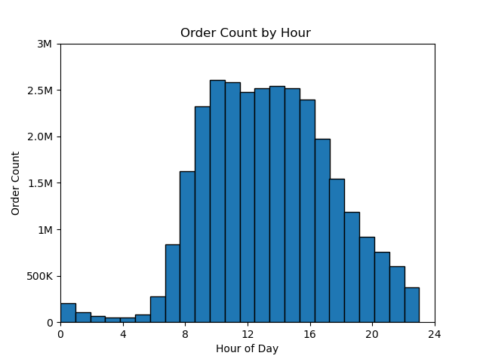
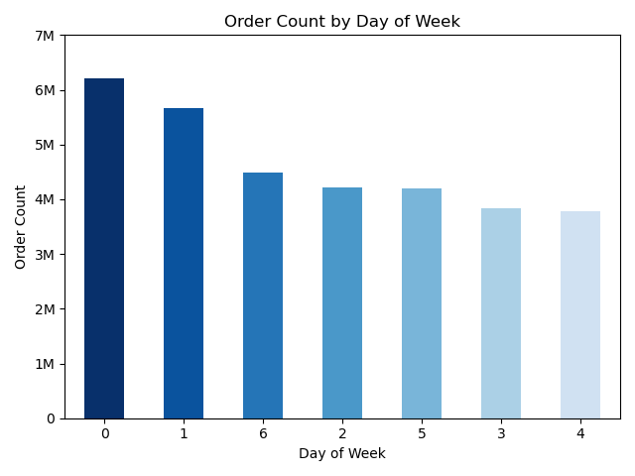

Recommendation:
Based on our findings, we've noticed that there's a drop in orders between 5 PM and midnight. This suggests a good opportunity for the sales team to place more ads during this time. People tend to wind down and siconnect from midnight to 6 AM, so spending on ads during these late hours might not be cost-effective. Additionally, we suggest increasing ad campaigns on Tuesdays, Wednesdays and Thursdays to make the most of weekday order patterns. On weekends, especially Saturdays, Sundays, and Fridays, orders peak between 8 AM and 5 PM. In order to boost off peak times, running ads in the evenings on weekdays could be beneficial in enhancing customer activity.

2. They (the sales team) also want to know whether there are particular times of the day when people spend the most money, as this might inform the type of products they advertise at these times.

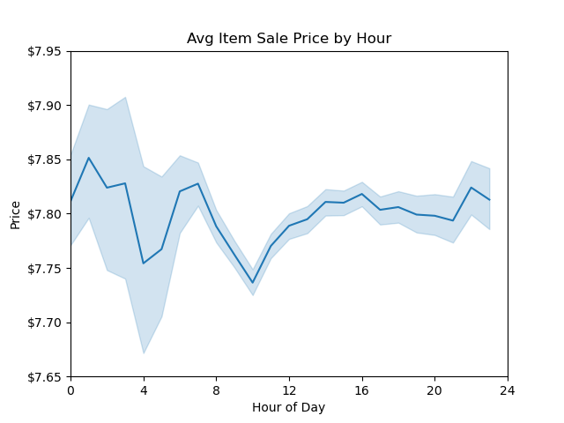
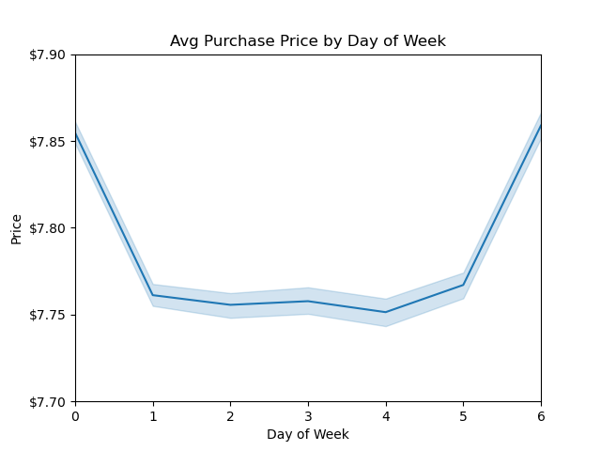

Recommendation:
The data indicates fluctuations in average order prices throughout the day, with peaks during early morning and late afternoon/evening hours and dips around mid-day. Notably, Saturdays and Fridays show a slight uptick in average order prices. To leverage these patterns, advertising campaigns should emphasize higher-priced items during evening hours and promote premium food options during morning and mid-day periods (8 AM to 2 PM). This strategic approach can help boost average order prices consistently across different days of the week, particularly on Sundays and Tuesdays.

3. Instacart has a lot of products with different price tags. Get a better understanding of the price distribution and integrate new campaigns to best utilize that knowledge.
.

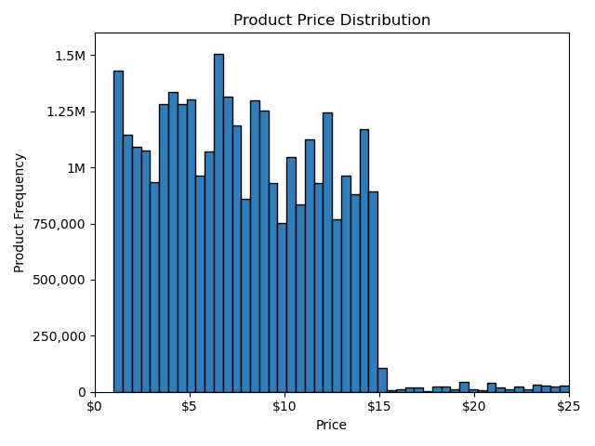

Recommendation:
The price_range_loc variable was created to foster simpler price range groupings for Instacarts product offerings. With that in mind, Low-range products are $5.00 or less. Mid-range products cost $5.01 to $15.00. High-range products cost $15.01 or more.
The data definitively shows how important the Mid-range product offerings are to Instacart's success. With a commanding 67.5% share of products, Mid-range products need to be highlighted in marketing campaings. In addition, Low and High-range products need to be promoted and ads need to raise awareness of these offerings.
I recommend an advertisement highlighting how much more convenient it is for consumers to get these high range products with Instacart as opposed to competitors or driving to the store themselves. The same concept applies to low-range products. Highlight to the customer how aggrivating it is to spend time seeking low-range products when you could just order them in bulk from Instacart.

4. Are there certain types of products that are more popular than others? The marketing and sales teams want to know which departments have the highest frequency of product orders.

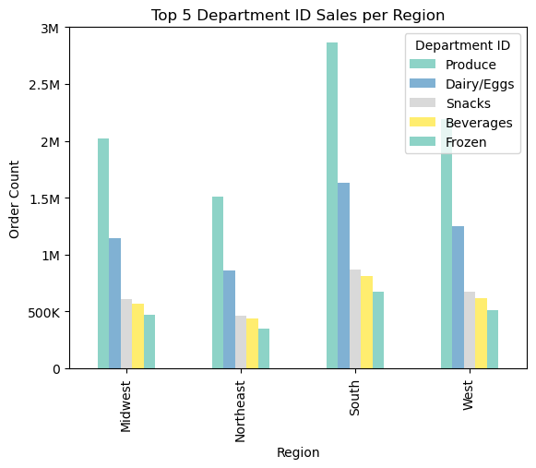

Recommendation:
Based on our analysis of departmental performance across the four US regions, it's clear that certain categories consistently outshine others. Produce consistently emerges as the top performer, followed by Dairy/Eggs, Snacks, Beverages, and Frozen products. This pattern holds true across all regions. To leverage these insights effectively, our sales and marketing teams should prioritize promotional efforts around these popular categories. Highlighting the freshness and variety of our produce offerings, for example, could resonate well with customers nationwide. Additionally, cross-category deals or bundles featuring these top-performing departments could drive further engagement and sales. Despite the South region leading in overall sales, it's interesting to note the uniformity in purchase patterns nationwide. This suggests that our marketing strategies should cater to a broad customer base rather than focusing solely on regional differences. By aligning our promotions with the consistently favored departments and understanding customer behavior nuances, we can maximize sales and engagement across all regions.

5. The marketing and sales team are particularly interested in different types of customers in their system and how their ordering behaviors differ. For example:
What is the distribution among users in regards to their brand loyalty (i.e. how often do they return to instacart)?

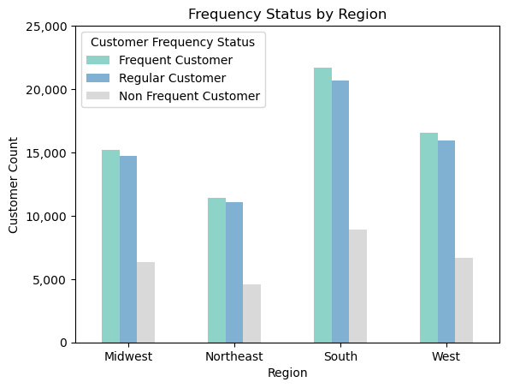
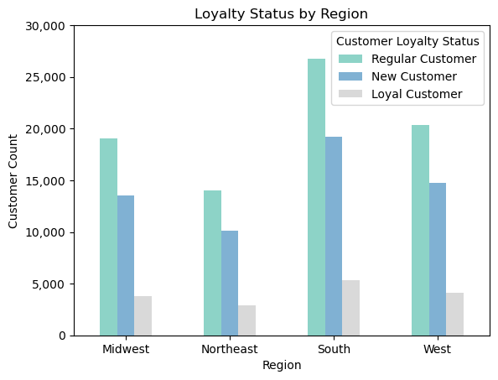

Max | Orders
New Customer -> Less than 10
Regular Customer -> 10 to 40 orders
Loyal Customer - > More than 40 orders

Avg Customer | Reorder Time
Non Frequent Customer -> More than 20 days
Regular Customer -> 10 to 20 days
Frequent Customer - > Less than 10 days

Recommendation:
Based on our analysis, iwe can gather that the majority of our customer base shops 2 to 3 times per month, with loyal customers shopping more frequently. To capitalize on this, we should introduce incentives for customers who place 4 orders per month, encouraging greater loyalty and engagement. Implementing a loyalty program tailored to reward frequent shoppers can further solidify customer loyalty. Additionally, offering new customers a coupon code after their first purchase or certain benefits once they reach 10, 30 and 40 orders can incentivize repeat purchases and enhance customer retention. To drive organic growth, we should also introduce referral incentives for all customers, such as 15% off for both the current and new user for 2 orders, encouraging them to refer friends and family to our platform. By strategically implementing these initiatives, we can enhance customer engagement, increase loyalty, and drive sustainable growth for the business.

6. What differences can you find in ordering habits of different customer profiles?

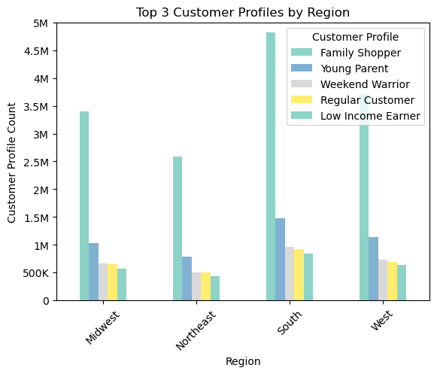
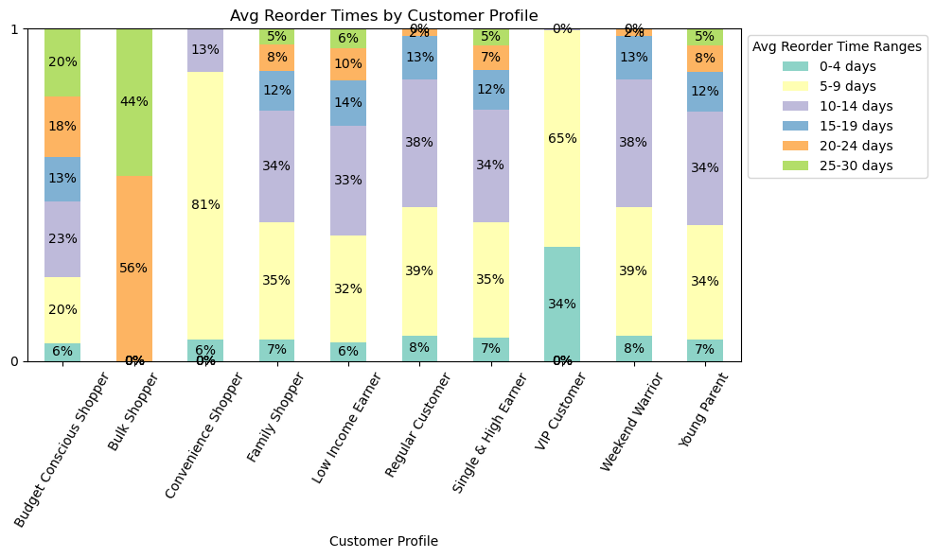
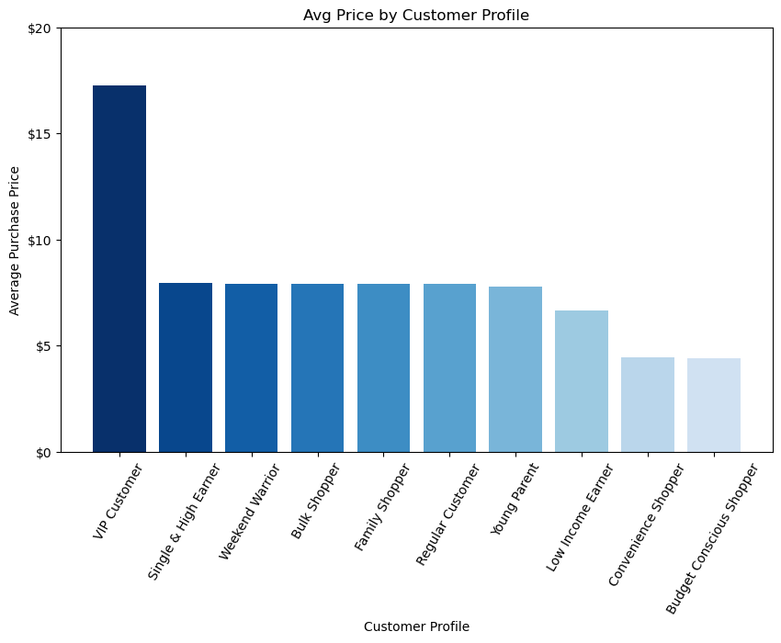

Recommendation:
To capitalize on the early reordering behavior of our customers, we could introduce a "Fast Reorder Rewards" program, offering exclusive discounts or freebies for customers who reorder within a specified time frame, such as within 10 days of their last purchase. This incentive not only encourages prompt reordering but also cultivates a sense of urgency and loyalty among customers. Additionally, targeted email campaigns could be deployed to remind eligible customers of their eligibility for these rewards, reinforcing their incentive to reorder quickly and frequently. Such initiatives not only drive repeat purchases but also foster a stronger bond between customers and our platform, ultimately enhancing customer lifetime value and revenue generation. With 9 out of 11 customer profiles showing 70% or more of their customers reordering before the 15-day mark, focusing on these early reordering behaviors presents a significant opportunity for boosting sales and customer engagement.

7. Are there differences in ordering habits based on a customer's region?

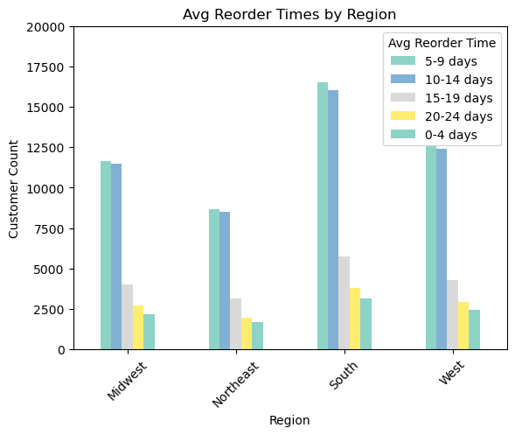

Recommendation:
In reviewing our data, I've noticed something quite interesting: despite expecting significant regional differences, our findings suggest otherwise. It seems our customer base behaves quite similarly across various regions. This insight presents a unique opportunity for us to better understand our customers' ordering habits, particularly regarding timing and weekly patterns. By leveraging this understanding, we can refine our marketing strategies and operational plans to better serve our customers. It's becoming increasingly evident that paying attention to when our customers order is crucial for maximizing our sales and marketing impact.

